Instructions
Early Childhood Program-Wide PBS Benchmarks of Quality (EC-BoQ)
version 2.0
August, 2018
Developed by: Myrna Veguilla, MSMS, MPH
Questions/Concerns: veguilla@usf.edu
Click here for data entry tutorial

The EC-BoQ is an assessment and progress-monitoring tool to examine program-wide implementation. The Benchmarks is a team tool that is scored by capturing the consensus opinion about the level of implementation of the benchmarks for program-wide crticial elements. The tool offers a comprehensive assessment of implementation of Pyramid Model supports at the program level. The tool can be used as often as the leadership team desires, but should be done at least two times a year (e.g., fall and late spring) to provide data that can be used for data-based decision making and action planning.

Instructions

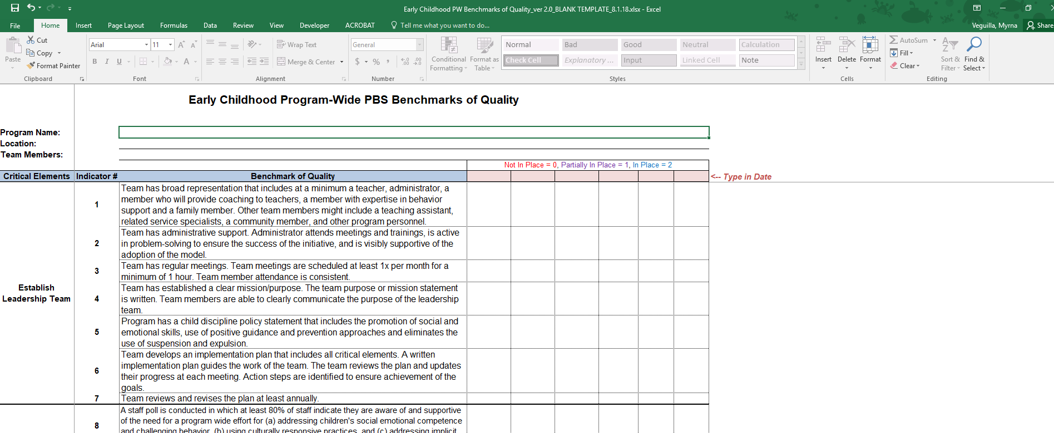

Enter your program name

Enter your program location
Type in the Date of when the BoQ was completed.

Enter the names of the team members completing the BoQs

Enter a rating of either 0, 1, or 2 for each indicator.

Program Summary
Percent of Indicators in Place
Report Date: | 8/12/20

 | Percent of Indicators Not in Place | 0% | 0% | 0% | 0% | 0% | 0%
 | Percent of Indicators Partially in Place | 0% | 0% | 0% | 0% | 0% | 0%
 | Percent of Indicators In Place | 0% | 0% | 0% | 0% | 0% | 0%

 |  | # of Indicators
 |  | Not in Place | Partially in Place | In Place |  | Benchmarks Not In Place:
 | Establish Leadership Team | 0 | 0 | 0 |  | 1 | 2 | 3 | 4 | 5 | 6 | 7
 | Staff Buy-In | 0 | 0 | 0 |  | 8 | 9
 | Family Engagement | 0 | 0 | 0 |  | 10 | 11 | 12 | 13
 | Program-Wide Expectations | 0 | 0 | 0 |  | 14 | 15 | 16 | 17 | 18 | 19 | 20
 | Professional Development and Staff Support Plan | 0 | 0 | 0 |  | 21 | 22 | 23 | 24 | 25 | 26 | 27
 | Procedures for Responding to Challenging Behavior | 0 | 0 | 0 |  | 28 | 29 | 30 | 31 | 32 | 33 | 34
 | Monitoring Implementation and Outcomes | 0 | 0 | 0 |  | 35 | 36 | 37 | 38 | 39 | 40 | 41

 |  | # of Indicators
 |  | Not in Place | Partially in Place | In Place |  | Benchmarks Not In Place:
 | Establish Leadership Team | 0 | 0 | 0 |  | 1 | 2 | 3 | 4 | 5 | 6 | 7
 | Staff Buy-In | 0 | 0 | 0 |  | 8 | 9
 | Family Engagement | 0 | 0 | 0 |  | 10 | 11 | 12 | 13
 | Program-Wide Expectations | 0 | 0 | 0 |  | 14 | 15 | 16 | 17 | 18 | 19 | 20
 | Professional Development and Staff Support Plan | 0 | 0 | 0 |  | 21 | 22 | 23 | 24 | 25 | 26 | 27
 | Procedures for Responding to Challenging Behavior | 0 | 0 | 0 |  | 28 | 29 | 30 | 31 | 32 | 33 | 34
 | Monitoring Implementation and Outcomes | 0 | 0 | 0 |  | 35 | 36 | 37 | 38 | 39 | 40 | 41

 |  | # of Indicators
 |  | Not in Place | Partially in Place | In Place |  | Benchmarks Not In Place:
 | Establish Leadership Team | 0 | 0 | 0 |  | 1 | 2 | 3 | 4 | 5 | 6 | 7
 | Staff Buy-In | 0 | 0 | 0 |  | 8 | 9
 | Family Engagement | 0 | 0 | 0 |  | 10 | 11 | 12 | 13
 | Program-Wide Expectations | 0 | 0 | 0 |  | 14 | 15 | 16 | 17 | 18 | 19 | 20
 | Professional Development and Staff Support Plan | 0 | 0 | 0 |  | 21 | 22 | 23 | 24 | 25 | 26 | 27
 | Procedures for Responding to Challenging Behavior | 0 | 0 | 0 |  | 28 | 29 | 30 | 31 | 32 | 33 | 34
 | Monitoring Implementation and Outcomes | 0 | 0 | 0 |  | 35 | 36 | 37 | 38 | 39 | 40 | 41

 |  | # of Indicators
 |  | Not in Place | Partially in Place | In Place |  | Benchmarks Not In Place:
 | Establish Leadership Team | 0 | 0 | 0 |  | 1 | 2 | 3 | 4 | 5 | 6 | 7
 | Staff Buy-In | 0 | 0 | 0 |  | 8 | 9
 | Family Engagement | 0 | 0 | 0 |  | 10 | 11 | 12 | 13
 | Program-Wide Expectations | 0 | 0 | 0 |  | 14 | 15 | 16 | 17 | 18 | 19 | 20
 | Professional Development and Staff Support Plan | 0 | 0 | 0 |  | 21 | 22 | 23 | 24 | 25 | 26 | 27
 | Procedures for Responding to Challenging Behavior | 0 | 0 | 0 |  | 28 | 29 | 30 | 31 | 32 | 33 | 34
 | Monitoring Implementation and Outcomes | 0 | 0 | 0 |  | 35 | 36 | 37 | 38 | 39 | 40 | 41

 |  | # of Indicators
 |  | Not in Place | Partially in Place | In Place |  | Benchmarks Not In Place:
 | Establish Leadership Team | 0 | 0 | 0 |  | 1 | 2 | 3 | 4 | 5 | 6 | 7
 | Staff Buy-In | 0 | 0 | 0 |  | 8 | 9
 | Family Engagement | 0 | 0 | 0 |  | 10 | 11 | 12 | 13
 | Program-Wide Expectations | 0 | 0 | 0 |  | 14 | 15 | 16 | 17 | 18 | 19 | 20
 | Professional Development and Staff Support Plan | 0 | 0 | 0 |  | 21 | 22 | 23 | 24 | 25 | 26 | 27
 | Procedures for Responding to Challenging Behavior | 0 | 0 | 0 |  | 28 | 29 | 30 | 31 | 32 | 33 | 34
 | Monitoring Implementation and Outcomes | 0 | 0 | 0 |  | 35 | 36 | 37 | 38 | 39 | 40 | 41

 |  | # of Indicators
 |  | Not in Place | Partially in Place | In Place |  | Benchmarks Not In Place:
 | Establish Leadership Team | 0 | 0 | 0 |  | 1 | 2 | 3 | 4 | 5 | 6 | 7
 | Staff Buy-In | 0 | 0 | 0 |  | 8 | 9
 | Family Engagement | 0 | 0 | 0 |  | 10 | 11 | 12 | 13
 | Program-Wide Expectations | 0 | 0 | 0 |  | 14 | 15 | 16 | 17 | 18 | 19 | 20
 | Professional Development and Staff Support Plan | 0 | 0 | 0 |  | 21 | 22 | 23 | 24 | 25 | 26 | 27
 | Procedures for Responding to Challenging Behavior | 0 | 0 | 0 |  | 28 | 29 | 30 | 31 | 32 | 33 | 34
 | Monitoring Implementation and Outcomes | 0 | 0 | 0 |  | 35 | 36 | 37 | 38 | 39 | 40 | 41

 | myrnaboq

Graph
Report Date: | 8/12/20

Program Name: | 0
Location: | 0
Team Members: | 0
Early Childhood Program-Wide PBS Benchmarks of Quality
Establish Leadership Team | #N/A
Staff Buy-In | #N/A
Family Engagement | #N/A
Program-Wide Expectations | #N/A
Professional Development and Staff Support Plan | #N/A
Procedures For Responding to Challenging Behavior | #N/A
Monitoring Implementation and Outcomes | #N/A
 |  |  |  |  |  |  |  |  |  |  | To Refresh Data, click on the chart and a new tab will appear on the command Ribbon above called "PIVOTCHART TOOLS." Select the "Analyze" tab. Select the down arrow to the "REFRESH" option. Select "REFRESH ALL." Do this each time you enter new data.

Date | Establish Leadership Team | Staff Buy-In | Family Engagement | Program-Wide Expectations | Professional Development and Staff Support Plan | Procedures For Responding to Challenging Behavior | Monitoring Implementation and Outcomes | Not In Place | Partially In Place | In Place
 |  |  |  |  |  |  |  | 0 | 0 | 0
 |  |  |  |  |  |  |  | 0 | 0 | 0
 |  |  |  |  |  |  |  | 0 | 0 | 0
 |  |  |  |  |  |  |  | 0 | 0 | 0
 |  |  |  |  |  |  |  | 0 | 0 | 0
 |  |  |  |  |  |  |  | 0 | 0 | 0

